Sheet1
Two Loop Fibc Bag
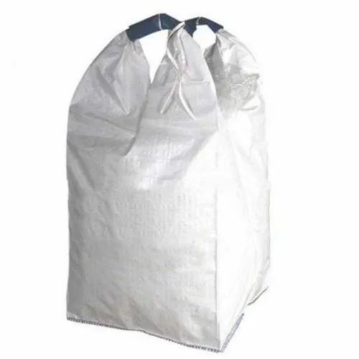

Features : Various Features of FIBC Bags
Two Loops FIBC bag Are Constructed Using Tubular Fabric.
The Construction Does Not Require Lift Loops To Be Sewn Onto The Bag
Uses : It's is mainly used in following industries.
2-Loop Bags Are Suitable For A Big Range Of Bulk Products: Fertilizers, Animal Feed.
Seeds, Cement, Minerals, Chemicals, Foodstuff Etc.
Two Loop Bags Are Mostly Used If Wider Opening Is Needed For Filling The Bag.
Advantages : Following are the advantages.
The Two Lifting Loops Are Formed By The Body Of The Fabric Itself Which Gives An Advantage Of High Tensile Strength And Easy Lifting Operations.
Provide Powerful Safety, And Many More.

